natural gas PPP surcharge
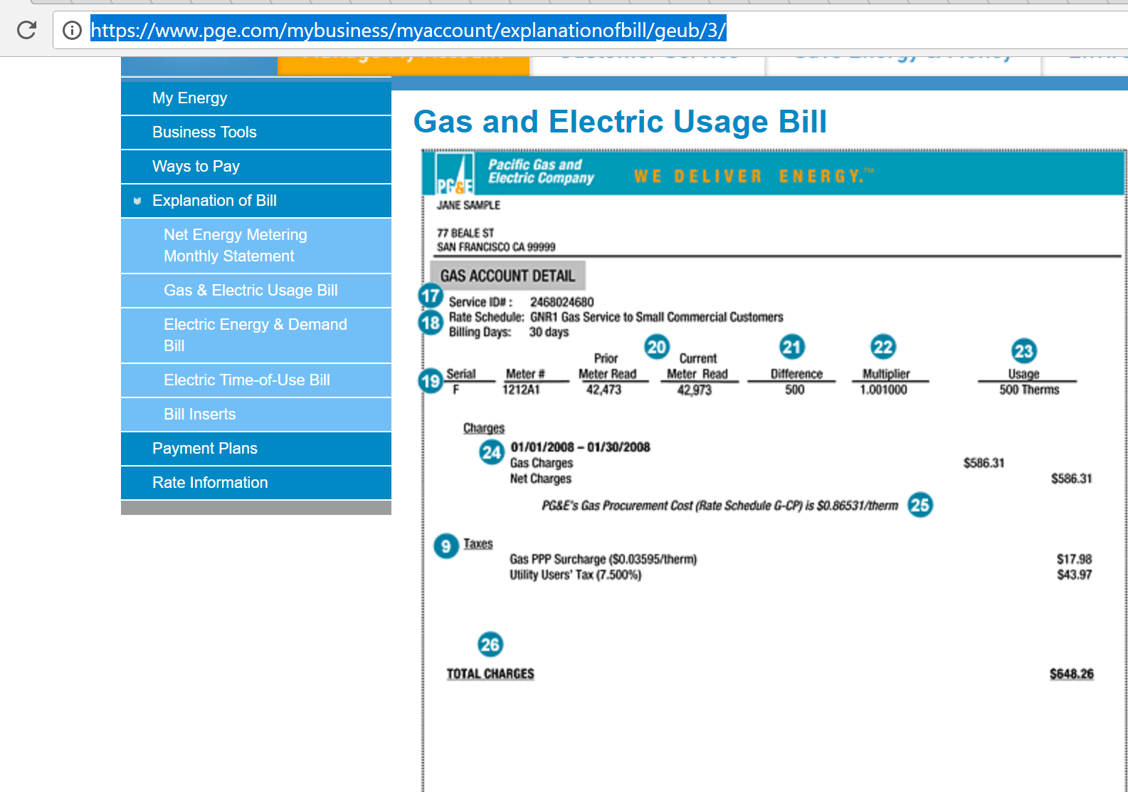
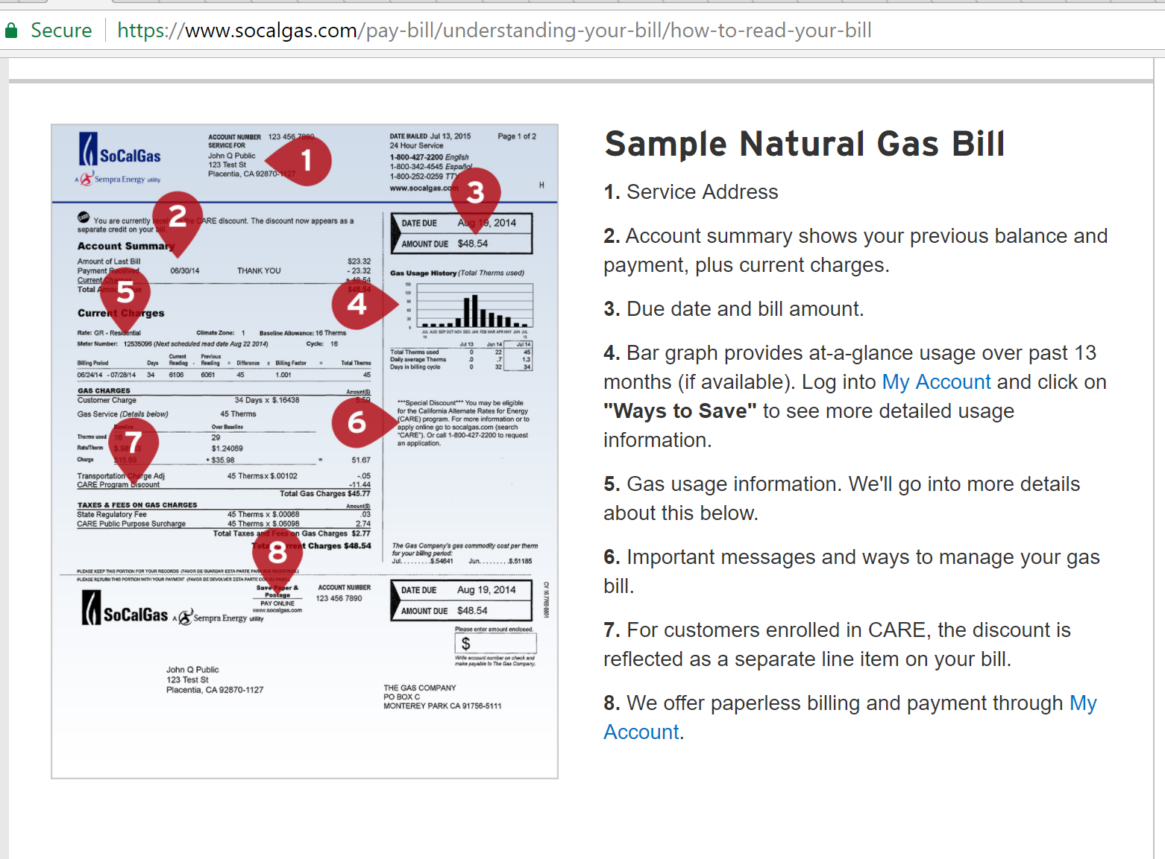
http://www.cpuc.ca.gov/uploadedFiles/CPUCWebsite/Content/About_Us/Organization/Divisions/Office_of_Governmental_Affairs/Legislation/2017/AB67_Leg_Report_PDF_Final_5-5-17.pdf

E3 provides delivered costs and not price, per se. Therefore, appropriate to add the PPP on top of the delivered costs estimate as a fraction of the core procurement and delivery costs.
Transportation refers to delivery costs for the distribution network.

first sum up to get a longer term tendency for the variable
 | in millions |  |  |  |  | five year average
core | 2697 | 2933 | 3553 | 2372 | 2054
trans | 3994 | 4371 | 4788 | 5391 | 6753
ppp | 625 | 551 | 582 | 670 | 640
ppp as fraction of total | 0.085429196282 | 0.070146403565 | 0.065224700213 | 0.079449780624 | 0.06774637451 | 0.073599291039

gasoline-diesel tax details
Feb-18
https://www.eia.gov/petroleum/marketing/monthly/xls/fueltaxes.xls

 | Gasoline |  |  |  | Diesel
 | State tax | Other taxes & Fees[2] | Total State[3] | State & Federal | State tax | Other taxes & Fees[2] | Total State[3] | State & Federal | Notes
Average state tax | $0.2418 | $0.0478 | $0.2831 | $0.4671 | $0.2529 | $0.0469 | $0.2933 | 0.5373
California[4] | 0.417 | 0.0716 | 0.4886 | 0.6726 | 0.36 | 0.2716 | 0.6316 | 0.8756 | 2.25% state sales tax on gasoline, 13.00% state sales tax on diesel (prepaid rates for these sales taxes: gasoline $0.05/gal; diesel $0.25/gal). Additional District sales taxes may apply. State Underground Storage Tank fee (all products): $0.02/gal. Oil Spill Prevention and Administration Fee (all products): $0.065 per barrel ($0.00155/gal).

2017 value reduced by 12 cents for gasoline and 20 cents for diesel fuel.

http://www.sandiegouniontribune.com/business/energy-green/sd-fi-california-gastax-20170413-story.html

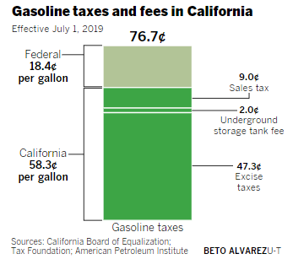

 | How much more in tax will I have to pay on gas?
 | The state excise tax on gasoline increases today by 12 cents per gallon, going from 29.7 cents per gallon to 41.7 cents per gallon. The state sales tax on gasoline will remain at 2.25%.
 | What about diesel fuel?
 | The state excise tax on diesel fuel increases by 20 cents, going from 16 cents per gallon to 36 cents per gallon. The sales tax rate on diesel will increase from 9% to 13%.

 | https://www.boe.ca.gov/taxprograms/excise_gas_tax.htm

